Hoja1
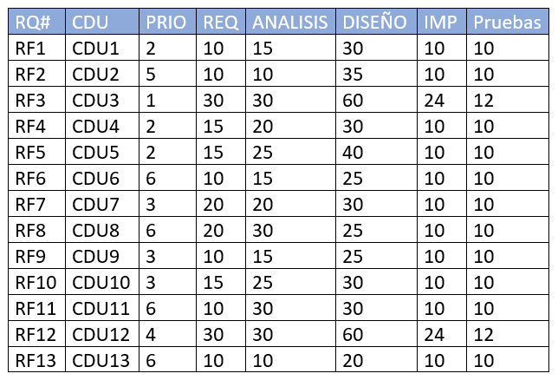
 | CDU3 |  |  |  |  | CDU1 |  |  |  |  | CDU4 |  |  |  |  | CDU5 |  |  |  |  | CDU7 |  |  |  |  | CDU9 |  |  |  |  | CDU10 |  |  |  |  | CDU12 |  |  |  |  | CDU2 |  |  |  |  | CDU6 |  |  |  |  | CDU8 |  |  |  |  | CDU11 |  |  |  |  | CDU13
 |  |  | it1 |  |  |  |  | it2 |  |  |  |  | it3 |  |  |  |  | it4 |  |  |  |  | it5 |  |  |  |  | it6 |  |  |  |  | it7 |  |  |  |  | it8 |  |  |  |  | it9 |  |  |  |  | it10 |  |  |  |  | it11 |  |  |  |  | it12 |  |  |  |  | it13
RRHH | R | A | D | I | T | R | A | D | I | T | R | A | D | I | T | R | A | D | I | T | R | A | D | I | T | R | A | D | I | T | R | A | D | I | T | R | A | D | I | T | R | A | D | I | T | R | A | D | I | T | R | A | D | I | T | R | A | D | I | T | R | A | D | I | T | TOTAL MINUTOS
David Rivera | 5 | 5 | 10 | 4 | 2 | 5 | 7 | 15 | 5 | 5 | 0 | 0 | 0 | 0 | 0 | 0 | 0 | 0 | 0 | 0 | 10 | 10 | 15 | 5 | 5 | 0 | 0 | 0 | 0 | 0 | 0 | 0 | 0 | 0 | 0 | 15 | 15 | 30 | 12 | 6 | 0 | 0 | 0 | 0 | 0 | 0 | 0 | 0 | 0 | 0 | 5 | 8 | 12 | 5 | 5 | 0 | 0 | 0 | 0 | 0 | 0 | 0 | 0 | 0 | 0 | 221
Aitor | 5 | 5 | 10 | 4 | 2 | 5 | 8 | 15 | 5 | 5 | 0 | 0 | 0 | 0 | 0 | 0 | 0 | 0 | 0 | 0 | 10 | 10 | 15 | 5 | 5 | 0 | 0 | 0 | 0 | 0 | 0 | 0 | 0 | 0 | 0 | 15 | 15 | 30 | 12 | 6 | 0 | 0 | 0 | 0 | 0 | 0 | 0 | 0 | 0 | 0 | 5 | 7 | 13 | 5 | 5 | 0 | 0 | 0 | 0 | 0 | 0 | 0 | 0 | 0 | 0 | 222
David | 5 | 5 | 10 | 4 | 2 | 0 | 0 | 0 | 0 | 0 | 8 | 10 | 15 | 5 | 5 | 0 | 0 | 0 | 0 | 0 | 0 | 0 | 0 | 0 | 0 | 5 | 7 | 13 | 5 | 5 | 0 | 0 | 0 | 0 | 0 | 0 | 0 | 0 | 0 | 0 | 5 | 5 | 17 | 5 | 5 | 0 | 0 | 0 | 0 | 0 | 0 | 0 | 0 | 0 | 0 | 5 | 15 | 15 | 5 | 5 | 0 | 0 | 0 | 0 | 0 | 186
Roberto | 5 | 5 | 10 | 4 | 2 | 0 | 0 | 0 | 0 | 0 | 7 | 10 | 15 | 5 | 5 | 0 | 0 | 0 | 0 | 0 | 0 | 0 | 0 | 0 | 0 | 5 | 8 | 12 | 5 | 5 | 0 | 0 | 0 | 0 | 0 | 0 | 0 | 0 | 0 | 0 | 5 | 5 | 18 | 5 | 5 | 0 | 0 | 0 | 0 | 0 | 0 | 0 | 0 | 0 | 0 | 5 | 15 | 15 | 5 | 5 | 0 | 0 | 0 | 0 | 0 | 186
Diego | 5 | 5 | 10 | 4 | 2 | 0 | 0 | 0 | 0 | 0 | 0 | 0 | 0 | 0 | 0 | 7 | 13 | 20 | 5 | 5 | 0 | 0 | 0 | 0 | 0 | 0 | 0 | 0 | 0 | 0 | 8 | 12 | 15 | 5 | 5 | 0 | 0 | 0 | 0 | 0 | 0 | 0 | 0 | 0 | 0 | 5 | 8 | 12 | 5 | 5 | 0 | 0 | 0 | 0 | 0 | 0 | 0 | 0 | 0 | 0 | 5 | 5 | 10 | 5 | 5 | 186
Óscar | 5 | 5 | 10 | 4 | 2 | 0 | 0 | 0 | 0 | 0 | 0 | 0 | 0 | 0 | 0 | 8 | 12 | 20 | 5 | 5 | 0 | 0 | 0 | 0 | 0 | 0 | 0 | 0 | 0 | 0 | 7 | 13 | 15 | 5 | 5 | 0 | 0 | 0 | 0 | 0 | 0 | 0 | 0 | 0 | 0 | 5 | 7 | 13 | 5 | 5 | 0 | 0 | 0 | 0 | 0 | 0 | 0 | 0 | 0 | 0 | 5 | 5 | 10 | 5 | 5 | 186

